Sheet1
DATE | INV NO. | DESCRIPTIONS | QTY | PRICE | DISCOUNT | UNIT PRICE | SUBTOTAL | TOTAL | BILL
6-Oct-2025 | SO/DSP/25/10/0410 | Da Vinci Leonardo Prosecco DOC | 1 | IDR 370,000 | IDR 37,000 | IDR 333,000 | IDR 333,000 | IDR 333,000 | 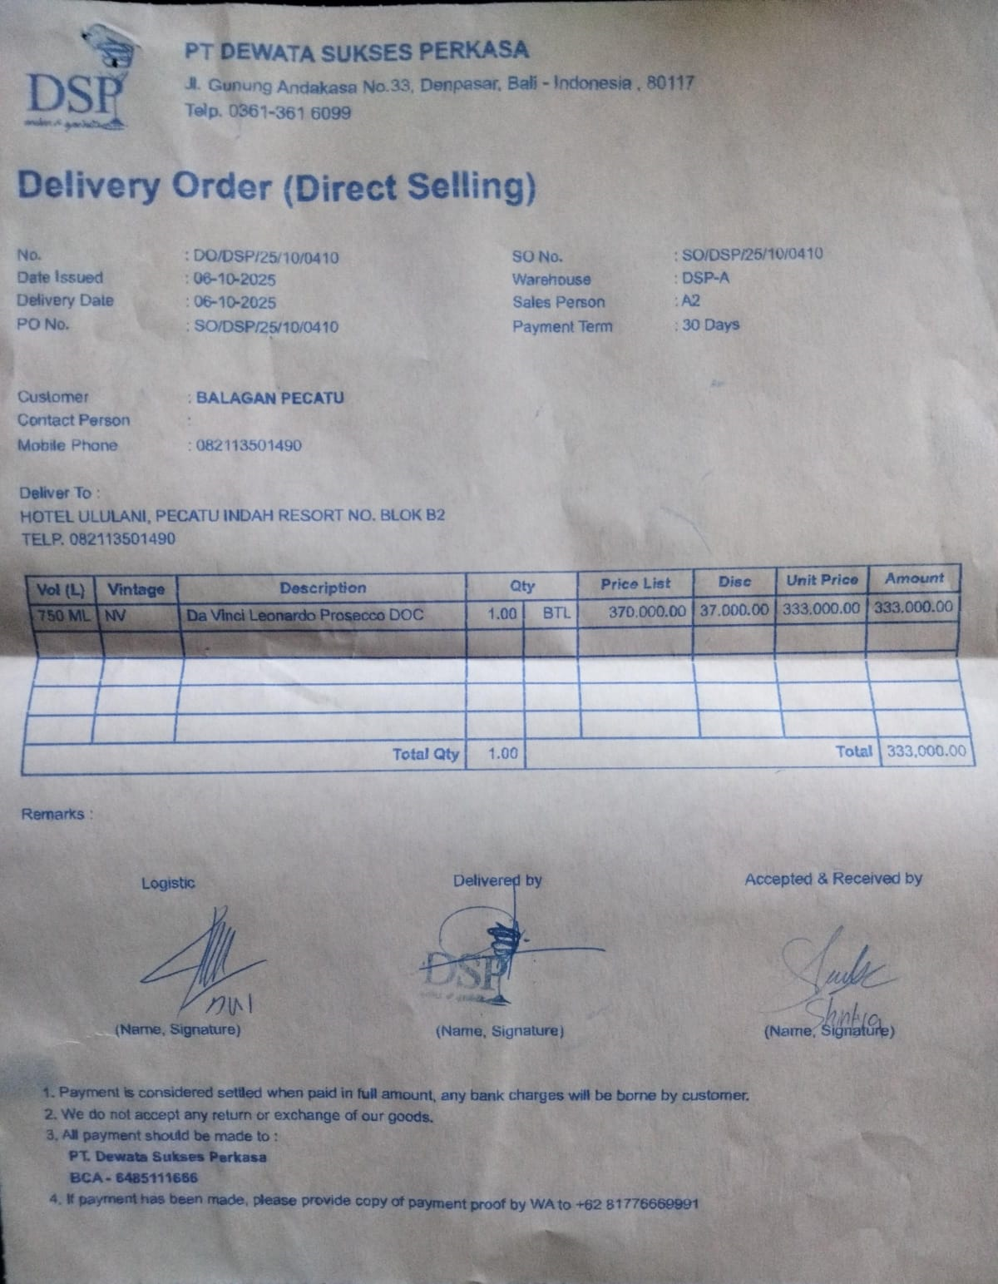
7-Oct-2025 | SO/DSP/25/10/0485 | Hunter's Riesling | 2 | IDR 385,000 | IDR 38,500 | IDR 346,500 | IDR 693,000 | IDR 1,489,500 | 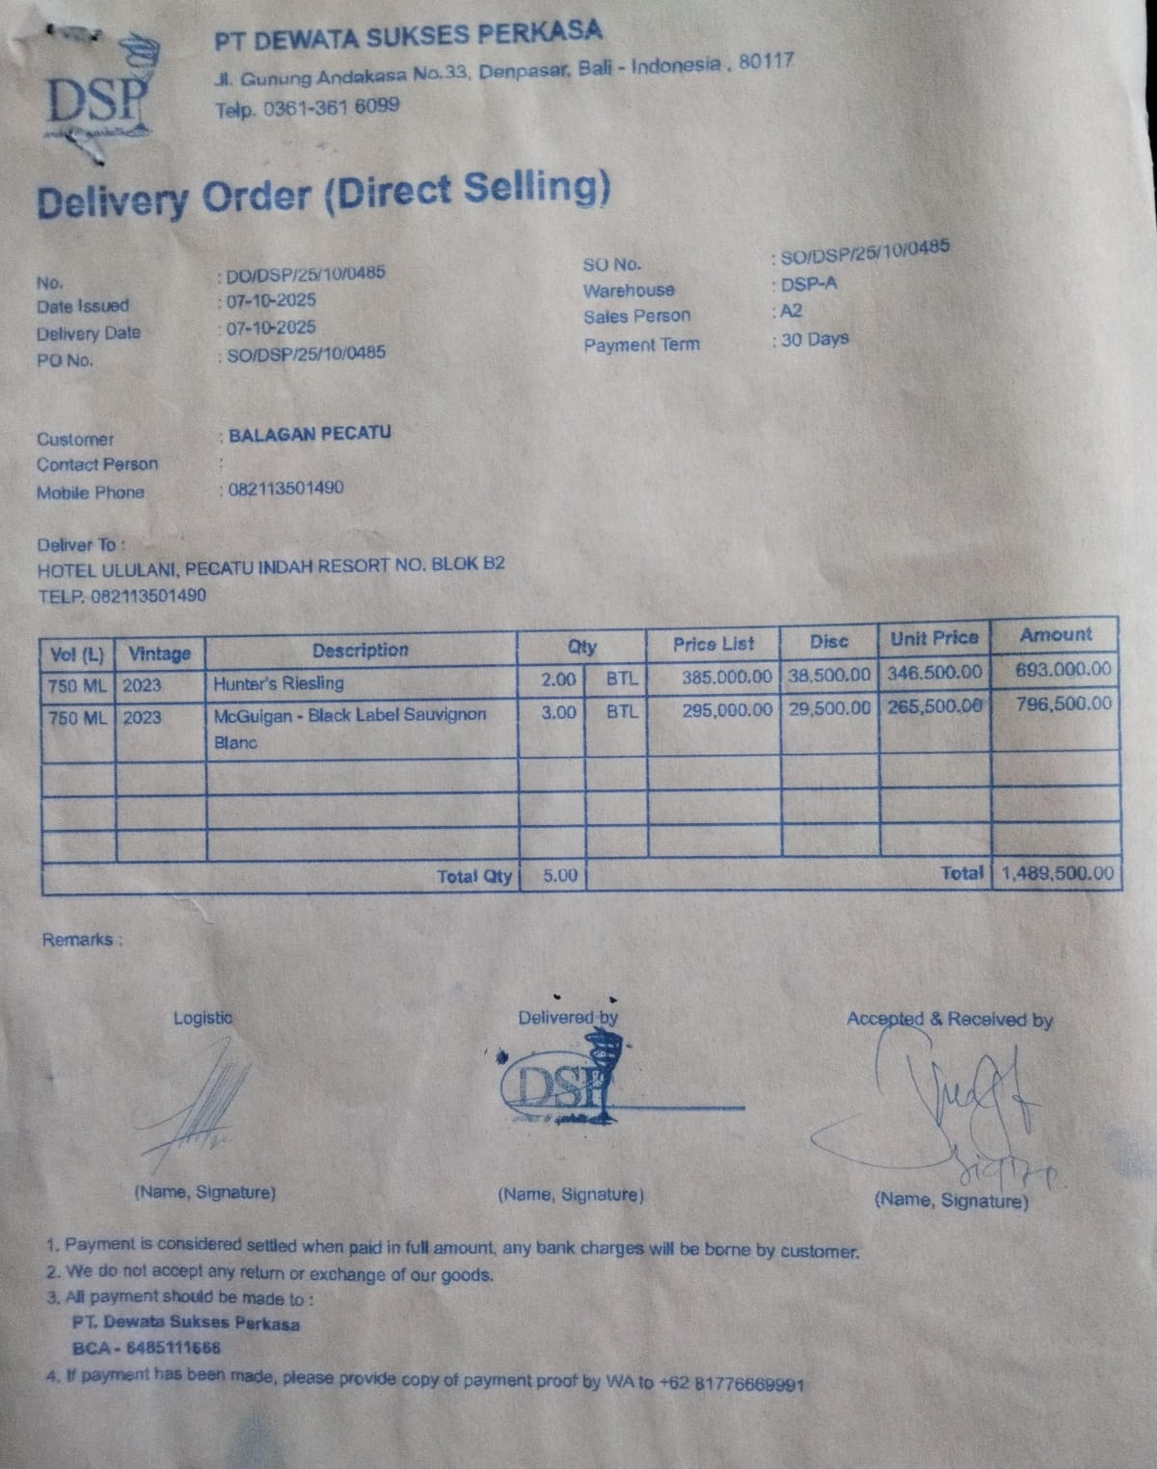
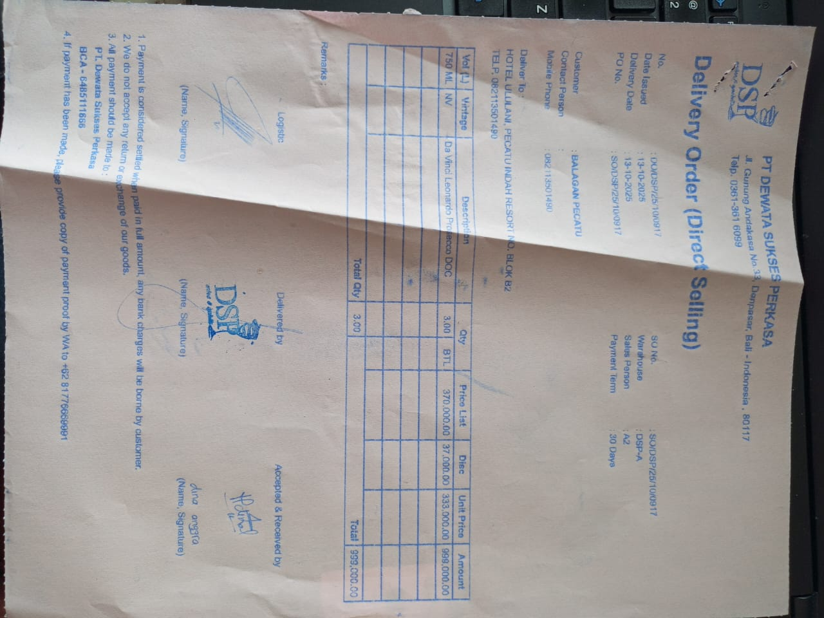
 |  | McGuigan - Black Label Sauvignon Blanc | 3 | IDR 295,000 | IDR 29,500 | IDR 265,500 | IDR 796,500
13-Oct-2025 | SO/DSP/25/10/0917 | Da Vinci Leonardo Prosecco DOC | 3 | IDR 370,000 | IDR 37,000 | IDR 333,000 | IDR 999,000 | IDR 999,000
14-Oct-2025 | SOMDG/DSP/25/10/0128 | MDG - F Vodka | 3 | IDR 246,000 | IDR - | IDR 246,000 | IDR 738,000 | IDR 738,000 | 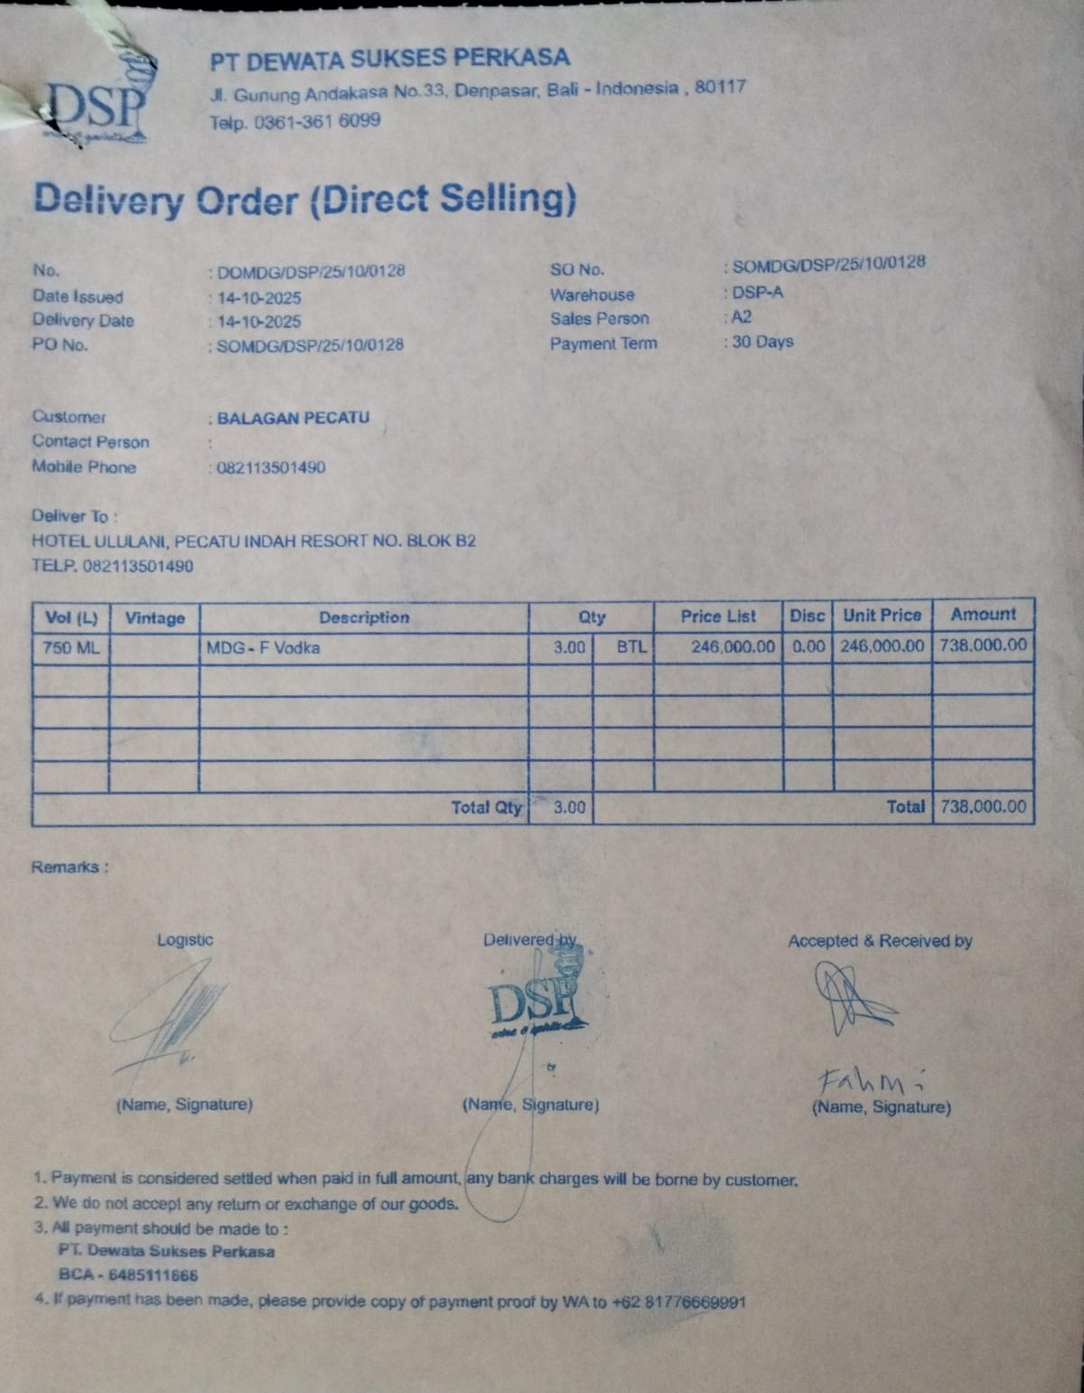
14-Oct-2025 | SO/DSP/25/10/1023 | Dona Dominga Clasico De Familia Syrah | 3 | IDR 290,000 | IDR 29,000 | IDR 261,000 | IDR 783,000 | IDR 783,000 | 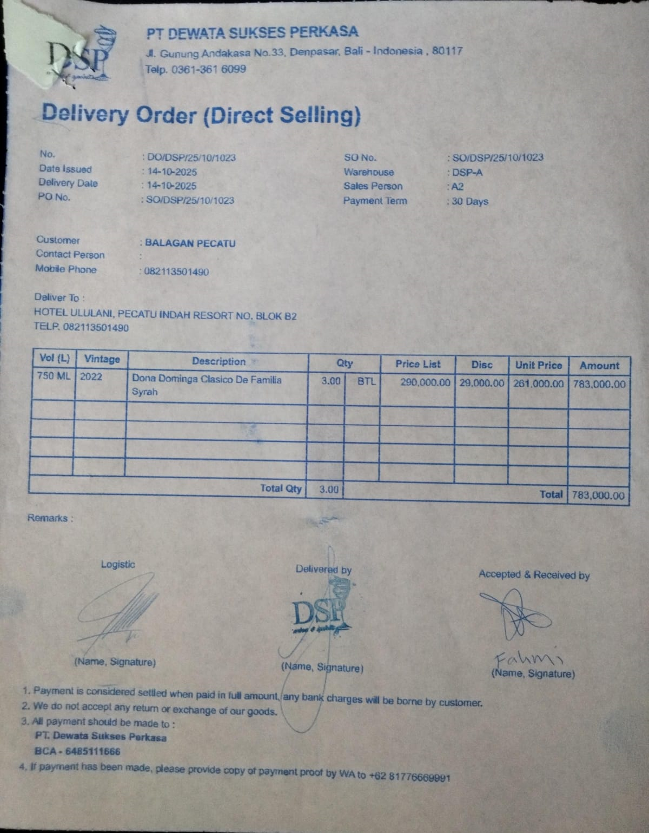
20-Oct-2025 | SO/DSP/25/10/1450 | McGuigan - Black Label Sauvignon Blanc | 3 | IDR 295,000 | IDR 29,500 | IDR 265,500 | IDR 796,500 | IDR 1,282,500 | 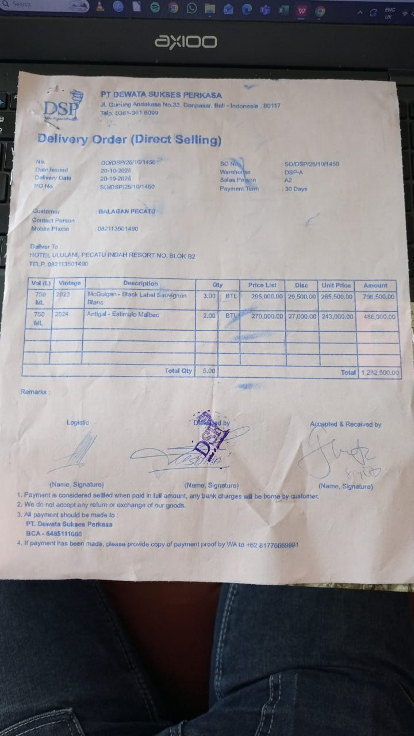
 |  | Antigal - Estimulo Malbec | 2 | IDR 270,000 | IDR 27,000 | IDR 243,000 | IDR 486,000
25-Oct-2025 | SO/DSP/25/10/1824 | San Marzano Talo Primitivo Merlot | 3 | IDR 375,000 | IDR 37,500 | IDR 337,500 | Rp1,012,500 | Rp1,012,500 | 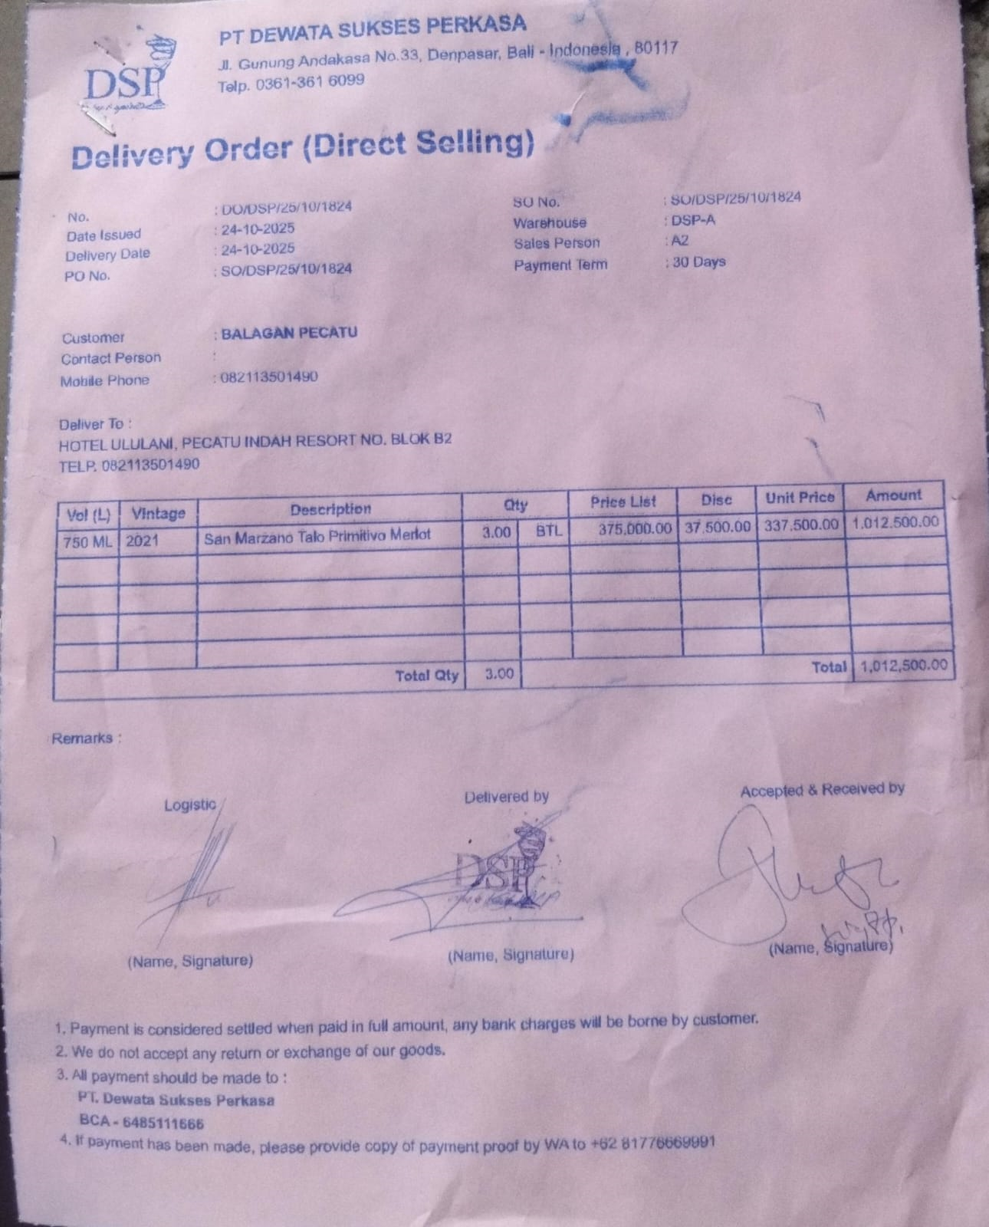
TOTAL |  |  |  |  | Rp6,637,500

